1. Title Page
Achievement 4 : Instacart Grocery Basket Analysis

Project Name: Achievement 4: Instacart Grocery Basket Analysis
Date: 17 April 2025
Analyst Name: Konstant van Rensburg

Contents:
2. Population Flow
3. Consistency checks
4. Wrangling steps
5. Column derivations
6. Visualizations
7. Recommendations
8. Crosstab comparisons
9. Data Citations

2. Population Flow
Population flow

Exclusion flag
Condition: max_order < 5
Obervations to be removed: 1440295
Final total count of order_products_all: 30964564

Orders_products_combined
Orders_products_merged
Orders_products_all

Total: 32404859
Total: 32434489
Total: 32404859

3. Consistency checks
Consistency checks

Dataset | Missing values | Missing values treatment | Duplicates
orders | 206209, from column 'days_since_prior_order | Left the missing values as they are, as this could have a meaningfull reason (most probably that these are new orders and no days past since the last order). This must be confirmed with the client. | 0
products | 16 rows were found with missing values | Created a new data frame to exclude the 16 missing values. | 5 rows were found with duplicate values
orders_products_prior | None | None | None
customers | None | None | None
df_final_merge | 5127 rows with a value higher than 100, which is odd and is skewing the charts | A function was deployed to assign missing vlaues to 'np.nan'

4. Wrangling steps
Wrangling steps

Columns dropped | Columns renamed | Columns' type changed | Comment/Reason | data set
eval_set |  |  | # dropping eval_set column from orders.csv | orders.csv original
 | order_dow |  | # Renaming the column 'order_dow' to 'orders_day_of_week' | orders.csv original
 |  | order_id | # Changing the data type in column 'order_id' to string | orders.csv original
 |  | user_id | # Changing the data type in column 'user id' to string | orders.csv original
 | order_hour_of_day |  | # Renaming the column 'order_hour_of_day' to 'hour_of_purchase' | orders.csv original
 | First Name |  | # Renaming the column 'First Name' to 'first_name' | customers.csv original
 | Surname |  | # Renaming the column 'Surname' to 'last_name' | customers.csv original
 | Gender |  | # Renaming column 'Gender' to 'gender' | customers.csv original
 | STATE |  | # Renaming column 'STATE' to 'state' | customers.csv original
 | Age |  | # Renaming column 'Age' to 'age' | customers.csv original
 | n_dependants |  | # Renaming column 'n_dependants' to 'num_of_dependants' | customers.csv original
 |  | first_name | # Changed the data type of the column 'first_name' to string | customers.csv original
first_name |  |  | # this column contains personal information tha could be used to trace back to a particular person. This is in breach with the data privacy regulation | df_final_merge.csv prepared
last_name |  |  | # this column contains personal information tha could be used to trace back to a particular person. This is in breach with the data privacy regulation | df_final_merge.csv prepared

5. Column derivations
Column derivations and aggregations

 | Dataset | New column | Column/s it was derived from | Conditions
1. | ords_prods_merge | price_range_loc | price' | if the price is higher than 15, return 'High-range product'
 |  |  |  | if the proce is higher than 5 and lower or equal to 15, then return 'Mid-range product' | 1. | price_range_loc
 |  |  |  | if the price is lower or equal to 5, then return 'Low-range product' |  | NaN 21208222
 |  |  |  |  |  | Low-range product 10126321
 |  |  |  |  |  | Mid-range product 652638
 |  |  |  |  |  | High-range product 417678
 |  |  |  |  |  | Name: count, dtype: int64

2. | ords_prods_merge | busiest_days | orders_day_of_the_week' | if the value of the column is 0 or 1, then return: 'Two busiest days' | 2. | busiest_days
 |  |  |  | If the value of the column is 3 or 4, then return: 'Two slowest days' |  | Regular days 12916111
 |  |  |  | otherwise return 'Regular days' |  | Two busiest days 11864412
 |  |  |  |  |  | Two slowest days 7624336
 |  |  |  |  |  | Name: count, dtype: int64

3. | ords_prods_merge | busiest_period_of_day | hour_of_purhase' | if the value is 10,11,14,15,13,12,16,9, then return: 'Most orders' | 3. | busiest_period_of_day
 |  |  |  | if the value is 17,8,18,19,20,7,21,22, then return: 'Average orders' |  | Most orders, 21118071
 |  |  |  | If the value is 23,6,0,1,5,2,4,3, then return: 'fewest orders' |  | Average orders, 9997651
 |  |  |  | Otherwise return 'N/A' |  | Fewest orders. 1289137
 |  |  |  |  |  | Name: count, dtype: int64

4. | ords_prods_merge | order_number mean | order_number | Group the department_id variable and then aggregate the number of order as a mean for each departmenz

5. | ords_prods_merge | max_order | order_number | Group by the 'user_id' and aggregate the order_number using the max function.

6. | ords_prods_merge | max_spend | prices' | Group by 'user_id' and aggregate the prices' with the max function

7. | ords_prods_merge | loyalty_flag | max_order' | if the max order is bigger than 40, then return 'loyal customer' | 7. | loyalty_flag
 |  |  |  | if the max order is bigger than 10 and smaller than or equal to 40, return 'Regular customer' |  | Regular customer 15876776
 |  |  |  | If the max order is smaller than or equal to 10, then return 'New customer' |  | Loyal customer 10284093
 |  |  |  |  |  | New customer 6243990
 |  |  |  |  |  | Name: count, dtype: int64

8. | ords_prods_merge | spending_flag | max_spend | if the max_spend is lower than 10, then return 'Low spender' | 8. | spending_flag
 |  |  |  | if the max_spend is bigger than or equal to 10, then return 'High spender' |  | High spender 32372969
 |  |  |  |  |  | Low spender 31890
 |  |  |  |  |  | Name: count, dtype: int64

9. | ords_prods_merge | days_since_last_order_median | days_since_prior_order | group by 'user_id' and aggregate the mean from the 'days_since_prior_order'

10. | ords_prods_merge | order_frequency_flag | days_since_last_order_median' | If 'days_since_last_order_median' is bigger than 20, return: 'Non-frequent customer' | 10. | order_frequency_flag
 |  |  |  | If 'days_since_last_order_median' is bigger than 10 and less than or equal to 20, then return_ 'Regular_customer' |  | Frequent customer 21559853
 |  |  |  | If 'days_since_last_order_median' is less than or equal to 10, then return: 'Frequent customer' |  | Regular customer 7208564
 |  |  |  |  |  | Non-frequent customer 3636437
 |  |  |  |  |  | NaN 5
 |  |  |  |  |  | Name: count, dtype: int64

11. | df_final_merge_non_pii | region | state | Firstly defining the results of the 'region' (1, 2, 3 and 4) | 11. | region
 |  |  |  | Then, if any of the states are within the range of states identified as region 1, then return 'Region1 (Northeast)' |  | Region 3 (South) 10791885
 |  |  |  | If any of the states are within the range of states identified as region 2, return 'Region 2 (Midwest)' |  | Region 4 (West) 8292913
 |  |  |  | If any of the states are within the range of states identified as region 3, return 'Region 3 (South)' |  | Region 2 (Midwest) 7597325
 |  |  |  | If any of the states are within the range of states identified as region 4, return 'Region 4 (West)' |  | Region 1 (Northeast) 5722736
 |  |  |  | Otherwise, if none of the conditions are met, return: 'Missing state' |  | Name: count, dtype: int64

12. | df_final_merge_non_pii | exclusion_flag | order_number' | If the order number is below 5, then return: 'Low activity customer' | 12. | exclusion_flag
 |  |  |  | If the order number is equal to or bigger than 5, then return: 'Normal activity customer' |  | Normal activity customer 24414877
 |  |  |  |  |  | Low activity customer 7989982
 |  |  |  |  |  | Name: count, dtype: int64

6. Visualizations
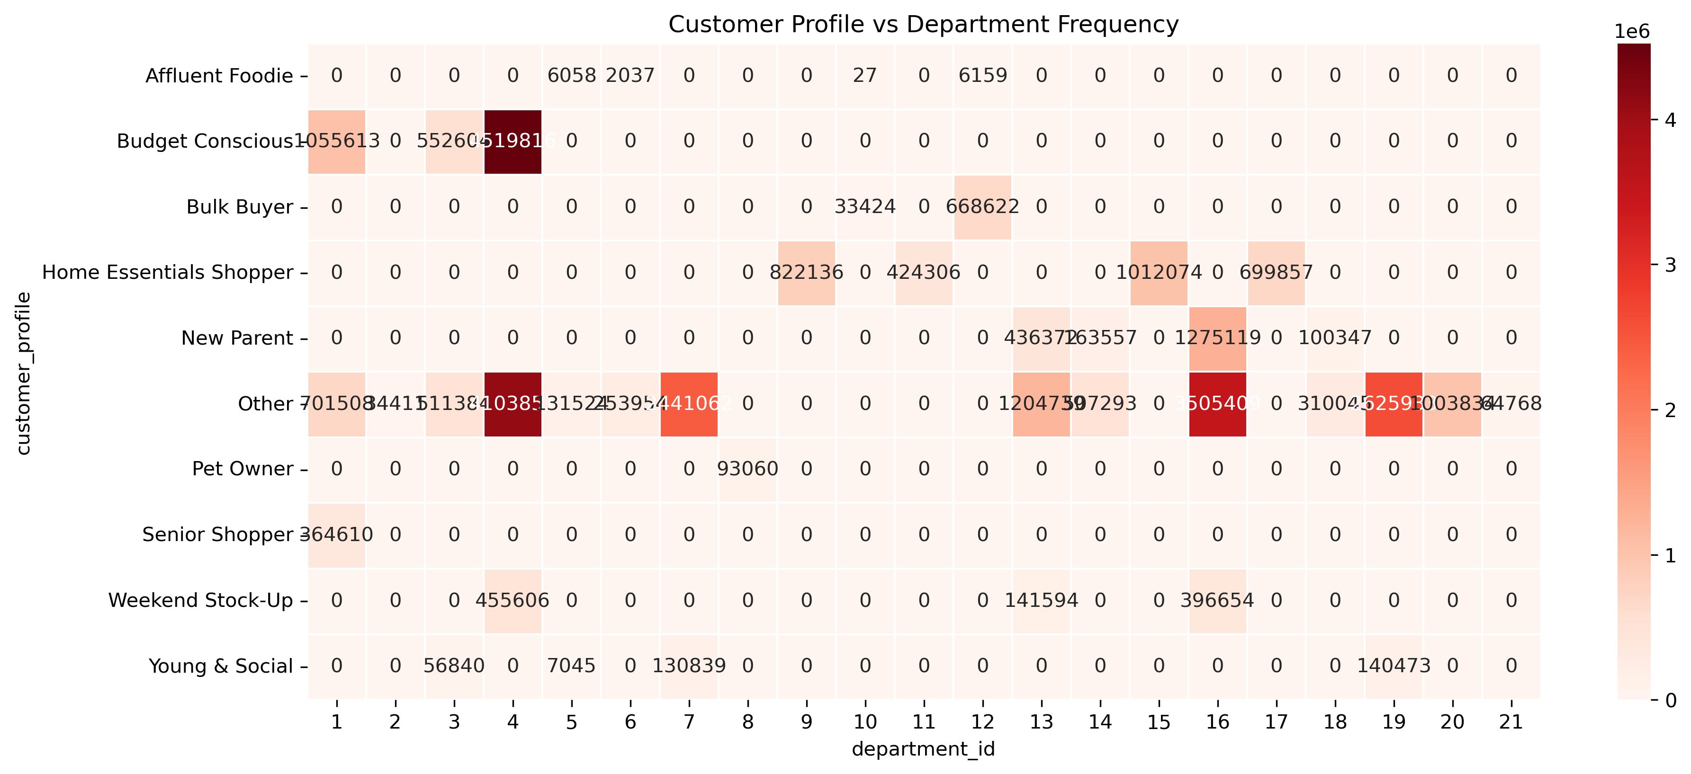
Visualisations

1. | Demographic Influence: Investigate how age, income, and family status affect purchase behavior.
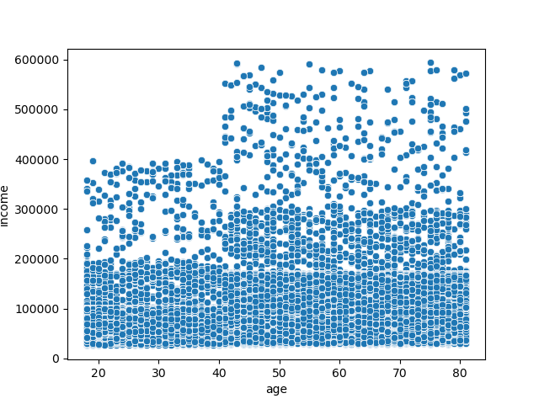

2. | Peak Activity Times: Identify the busiest days and hours for orders to optimize ad scheduling during slower periods.
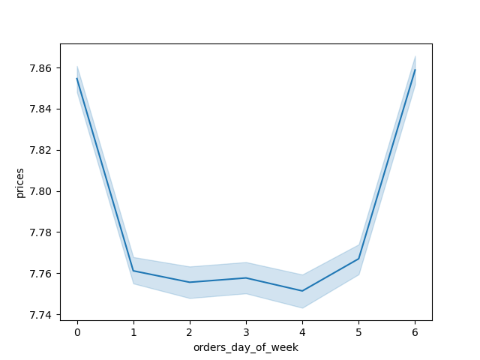

3. | High-Spending Times: Determine times of day when customers spend the most to tailor product promotions accordingly.
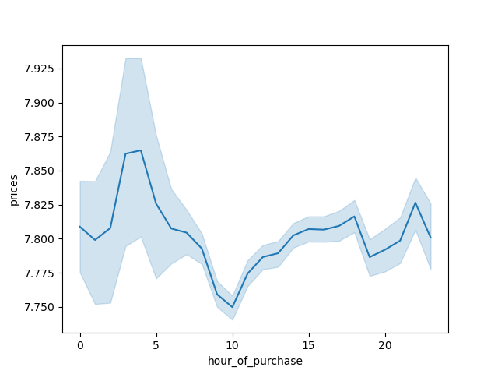

4. | Demographic Influence: Investigate how age, income, and family status affect purchase behavior.

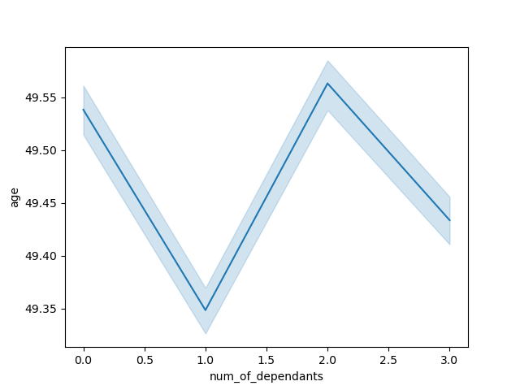

5. | Price Range Groupings: Create simplified price categories to better guide marketing and sales strategies.


6. | Peak Activity Times: Identify the busiest days and hours for orders to optimize ad scheduling during slower periods.


7. | Peak Activity Times: Identify the busiest days and hours for orders to optimize ad scheduling during slower periods.

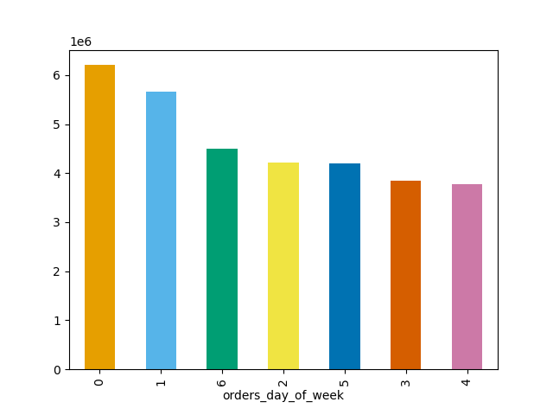

8. | Customer Segmentation: Understand different customer types and how their order behaviors vary.
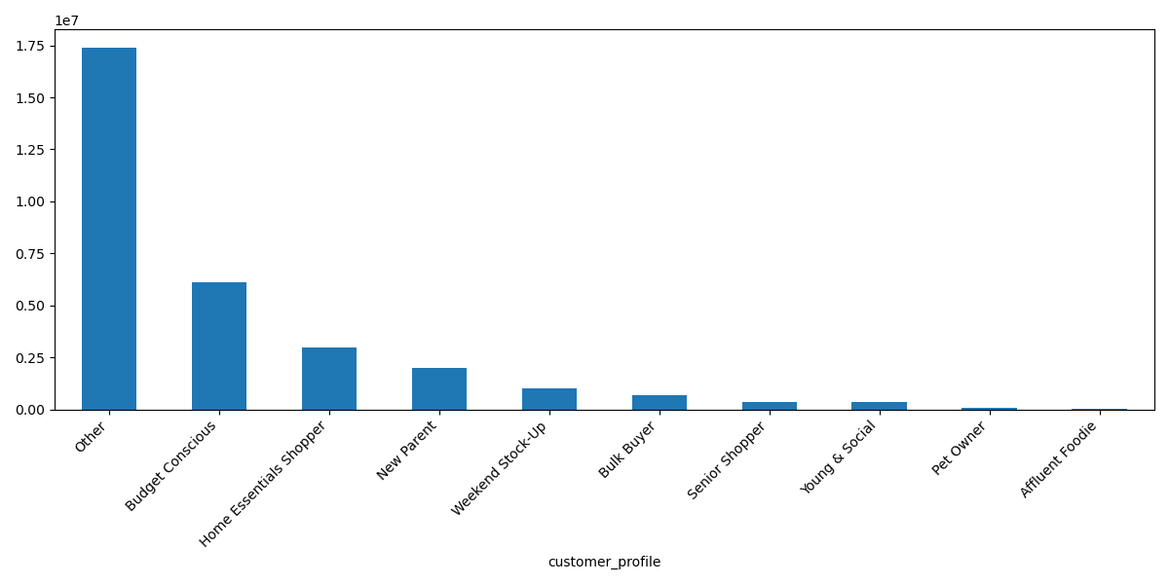

9. | Brand Loyalty Patterns: Analyze how often customers return and how loyalty impacts ordering habits.
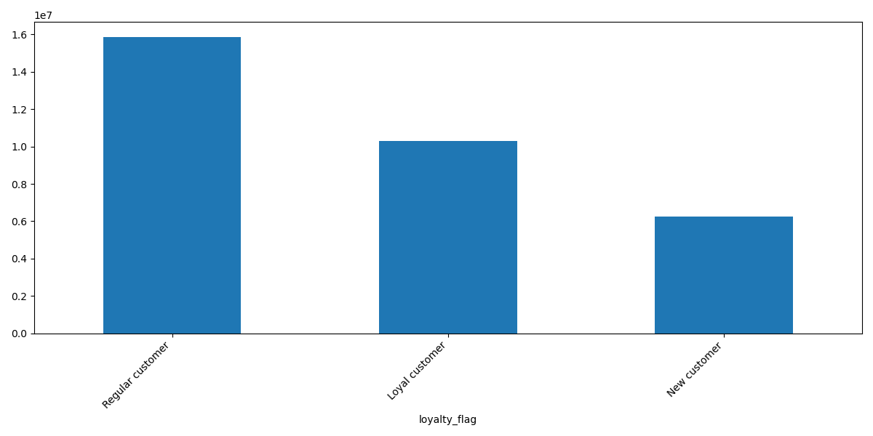

10. | Regional Differences: Explore how customer location influences order behavior.

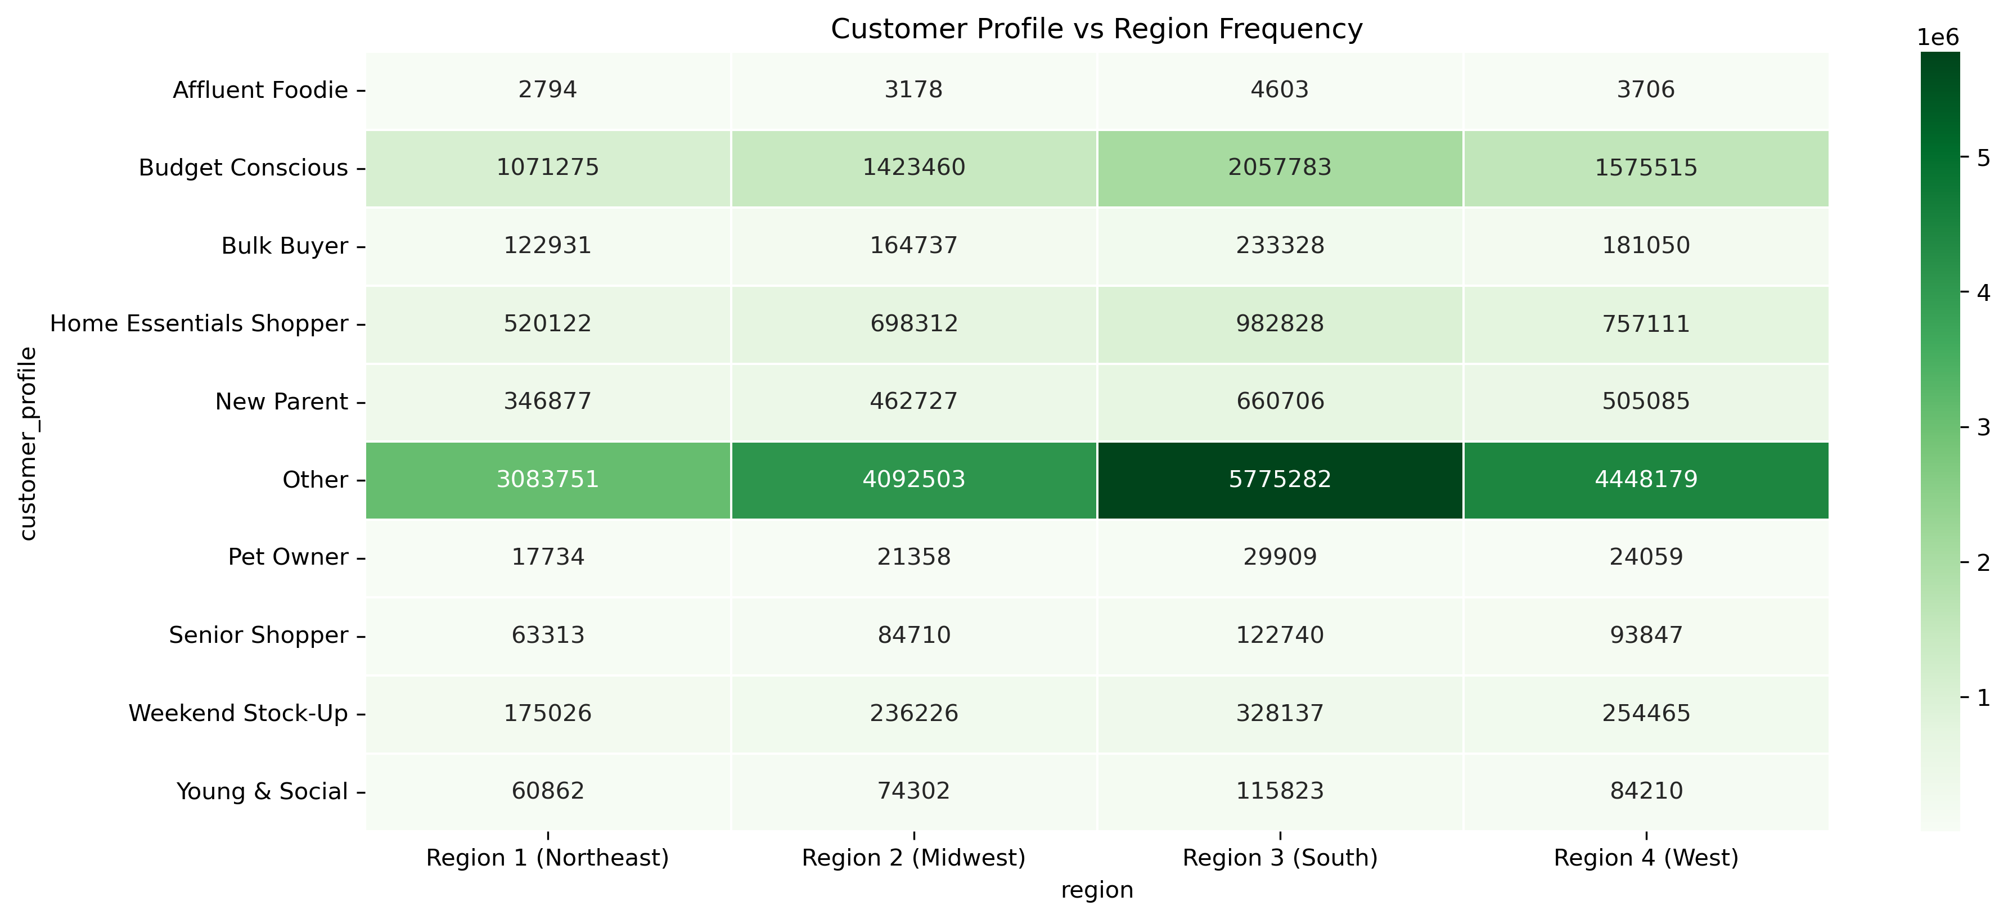

11. | Product Popularity by Category: Analyze which product types or departments have the highest order frequencies.

7. Recommendations
Recommendations

 | Question | Answer
1. | Peak Activity Times: Identify the busiest days and hours for orders to optimize ad scheduling during slower periods. | From the histogram, we can gather that sales are the lowest between hours 0-5. From hour 6 sales start to increase and peaks between hours 10 to 15. From hour 16 the sales decrease gradually until hour 23. Marketing efforts can be concentrated between hours 8 to 16 as these are the busiest times during the day.
2. | High-Spending Times: Determine times of day when customers spend the most to tailor product promotions accordingly. | From the analysis, it is clear that Fridays and Saturdays are the peak spending days for customers. The recommendation is thus to push marketing efforts on things like 'specials during these 2 days. Specific groups could be targeted during the 'slow' days like seniors or young & social
3. | Price Range Groupings: Create simplified price categories to better guide marketing and sales strategies. | The analysis shows that items priced at 15 or lower are quick sellers, while items between 16 and 25 and much less popular. It is thus recommended to stock most of the products in this price range, and target higher spenders with the price range 16 and above.
4. | Product Popularity by Category: Analyse which product types or departments have the highest order frequencies. | The chart on Customer profiles vs Department Frequency gives a great marketing focus with customer profiles 'Budget conscious' and 'other' showing good leads. The marketing effort for these groups can further be focussed on departments like 1, 3, 4, 7, 9, 13, 15, 16 and 19
5. | Customer Behaviour Analysis Questions:
5.1. | Customer Segmentation: Understand different customer types and how their order behaviours vary. | From the analysis, it could be determined that customer profiles such as 'Budget Conscious', 'Home Essentials' and 'New Parents' have a strong foothold on the Instacart customer base, and marketing efforts can be focussed on these. Customer segments like 'Pet owners' can also easily be targeted. Although the profile 'Affluent Foodie' is the smallest, it consist of high earning individuals, and marketing can be zoned in on this group to help push high-end products.
5.2. | Brand Loyalty Patterns: Analyse how often customers return and how loyalty impacts ordering habits. | The biggest segment of the customer base is 'Regular Customers', while 'Loyal Customers' is about 40% less of that. The recommendation is to built out on the loyal customer base as they typically order 4 times more than regular customers.
5.3. | Regional Differences: Explore how customer location influences order behaviour. | Region 3 (South) is the biggest spending region. Region 2 and 4 (West) follows as the second biggest spending region. Region 1 (Northeast) is the lowest spending region. Each region also contains low spenders, however, this is only a very small percentage compared to the high spenders.
 |  | From the Analysis, we marketing efforts can be focussed on the customer profile 'other' in all 3 regions. The budget conscious group shows strong presence and can also be targeted in all 4 regions, especially in region 3 (south). The group: 'home essentials shoppe' also shows some significance in all 4 regions.
5.4. | Demographic Influence: Investigate how age, income, and family status affect purchase behaviour. | The analysis reveals that individuals with 2 dependants are usually in their late 40. This group specifically could be targeted with items typically related to 'families'.
 |  | The scatterplot shows that all age groups earn at least +- 20,000 of income. From age 18 - 40 the income is a bit scattered between 20k and 40k, while no one in this age group earns above 40k. People aged between 40 and 80 also have a concentrated earning bracket between 20K to 30K (although less than the 0 - 20K bracket). The same age group has scattered earnings between 30k and 60k, where the portion of people earning higher salaries becomes thinner towards the ceiling. This analysis has been key in determining the customer profiles, and can be used to target each specific group based on their demographics.
5.5. | Customer Profile Insights: Identify patterns in order frequency, spending, and product preferences across various customer groups. | A comparison has been done different customer profiles with regions and typical department items that they purchase. The relationship between the customer profile and deprtment_id is quite clear as this is one of the main conditions that the customer profiles are based on. By adding the regions into the comparison, we can easily see if there is a pattern in consumer behaviour which can be used to target that specific segment of the customer base.

8. Python Crosstabs
Crosstab Comparisons

1. | Geographical spending behaviour between each region

 | region | High spender | Low spender
 | Region 1 (Northeast) | 5717129 | 5607
 | Region 2 (Midwest) | 7589534 | 7791
 | Region 3 (South) | 10781873 | 10012
 | Region 4 (West) | 8284433 | 8480

2. | Customer profiles compared to region and typical department items that they purchase.
 |  |  | Department_id
 | customer_profile | region | 1 | 2 | 3 | 4 | 5 | 6 | 7 | 8 | 9 | 10 | 11 | 12 | 13 | 14 | 15 | 16 | 17 | 18 | 19 | 20 | 21
 | Affluent Foodie | Region 1 (Northeast) | 0 | 0 | 0 | 0 | 1260 | 295 | 0 | 0 | 0 | 2 | 0 | 1237 | 0 | 0 | 0 | 0 | 0 | 0 | 0 | 0 | 0
 | Affluent Foodie | Region 2 (Midwest) | 0 | 0 | 0 | 0 | 1206 | 520 | 0 | 0 | 0 | 12 | 0 | 1440 | 0 | 0 | 0 | 0 | 0 | 0 | 0 | 0 | 0
 | Affluent Foodie | Region 3 (South) | 0 | 0 | 0 | 0 | 1967 | 664 | 0 | 0 | 0 | 10 | 0 | 1962 | 0 | 0 | 0 | 0 | 0 | 0 | 0 | 0 | 0
 | Affluent Foodie | Region 4 (West) | 0 | 0 | 0 | 0 | 1625 | 558 | 0 | 0 | 0 | 3 | 0 | 1520 | 0 | 0 | 0 | 0 | 0 | 0 | 0 | 0 | 0
 | Budget Conscious | Region 1 (Northeast) | 183797 | 0 | 97679 | 789799 | 0 | 0 | 0 | 0 | 0 | 0 | 0 | 0 | 0 | 0 | 0 | 0 | 0 | 0 | 0 | 0 | 0
 | Budget Conscious | Region 2 (Midwest) | 245907 | 0 | 127724 | 1049829 | 0 | 0 | 0 | 0 | 0 | 0 | 0 | 0 | 0 | 0 | 0 | 0 | 0 | 0 | 0 | 0 | 0
 | Budget Conscious | Region 3 (South) | 353686 | 0 | 183820 | 1520277 | 0 | 0 | 0 | 0 | 0 | 0 | 0 | 0 | 0 | 0 | 0 | 0 | 0 | 0 | 0 | 0 | 0
 | Budget Conscious | Region 4 (West) | 272223 | 0 | 143381 | 1159911 | 0 | 0 | 0 | 0 | 0 | 0 | 0 | 0 | 0 | 0 | 0 | 0 | 0 | 0 | 0 | 0 | 0
 | Bulk Buyer | Region 1 (Northeast) | 0 | 0 | 0 | 0 | 0 | 0 | 0 | 0 | 0 | 5597 | 0 | 117334 | 0 | 0 | 0 | 0 | 0 | 0 | 0 | 0 | 0
 | Bulk Buyer | Region 2 (Midwest) | 0 | 0 | 0 | 0 | 0 | 0 | 0 | 0 | 0 | 7917 | 0 | 156820 | 0 | 0 | 0 | 0 | 0 | 0 | 0 | 0 | 0
 | Bulk Buyer | Region 3 (South) | 0 | 0 | 0 | 0 | 0 | 0 | 0 | 0 | 0 | 11170 | 0 | 222158 | 0 | 0 | 0 | 0 | 0 | 0 | 0 | 0 | 0
 | Bulk Buyer | Region 4 (West) | 0 | 0 | 0 | 0 | 0 | 0 | 0 | 0 | 0 | 8740 | 0 | 172310 | 0 | 0 | 0 | 0 | 0 | 0 | 0 | 0 | 0
 | Home Essentials Shopper | Region 1 (Northeast) | 0 | 0 | 0 | 0 | 0 | 0 | 0 | 0 | 143817 | 0 | 74765 | 0 | 0 | 0 | 176936 | 0 | 124604 | 0 | 0 | 0 | 0
 | Home Essentials Shopper | Region 2 (Midwest) | 0 | 0 | 0 | 0 | 0 | 0 | 0 | 0 | 193463 | 0 | 100398 | 0 | 0 | 0 | 237459 | 0 | 166992 | 0 | 0 | 0 | 0
 | Home Essentials Shopper | Region 3 (South) | 0 | 0 | 0 | 0 | 0 | 0 | 0 | 0 | 272813 | 0 | 142496 | 0 | 0 | 0 | 337458 | 0 | 230061 | 0 | 0 | 0 | 0
 | Home Essentials Shopper | Region 4 (West) | 0 | 0 | 0 | 0 | 0 | 0 | 0 | 0 | 212043 | 0 | 106647 | 0 | 0 | 0 | 260221 | 0 | 178200 | 0 | 0 | 0 | 0
 | New Parent | Region 1 (Northeast) | 0 | 0 | 0 | 0 | 0 | 0 | 0 | 0 | 0 | 0 | 0 | 0 | 76704 | 28601 | 0 | 223279 | 0 | 18293 | 0 | 0 | 0
 | New Parent | Region 2 (Midwest) | 0 | 0 | 0 | 0 | 0 | 0 | 0 | 0 | 0 | 0 | 0 | 0 | 101308 | 38370 | 0 | 299562 | 0 | 23487 | 0 | 0 | 0
 | New Parent | Region 3 (South) | 0 | 0 | 0 | 0 | 0 | 0 | 0 | 0 | 0 | 0 | 0 | 0 | 145856 | 55297 | 0 | 426324 | 0 | 33229 | 0 | 0 | 0
 | New Parent | Region 4 (West) | 0 | 0 | 0 | 0 | 0 | 0 | 0 | 0 | 0 | 0 | 0 | 0 | 112504 | 41289 | 0 | 325954 | 0 | 25338 | 0 | 0 | 0
 | Other | Region 1 (Northeast) | 123326 | 6268 | 91157 | 723011 | 22078 | 44383 | 439140 | 0 | 0 | 0 | 0 | 0 | 211084 | 89303 | 0 | 621448 | 0 | 54419 | 468224 | 178398 | 11512
 | Other | Region 2 (Midwest) | 167608 | 7983 | 120997 | 974731 | 31024 | 60146 | 569883 | 0 | 0 | 0 | 0 | 0 | 285004 | 117785 | 0 | 820279 | 0 | 72254 | 614782 | 234464 | 15563
 | Other | Region 3 (South) | 233480 | 11579 | 168669 | 1358216 | 44889 | 83985 | 814273 | 0 | 0 | 0 | 0 | 0 | 399098 | 167875 | 0 | 1164338 | 0 | 106282 | 867191 | 333620 | 21787
 | Other | Region 4 (West) | 177094 | 8581 | 130561 | 1047893 | 33533 | 65440 | 617766 | 0 | 0 | 0 | 0 | 0 | 309553 | 132330 | 0 | 899344 | 0 | 77090 | 675736 | 257352 | 15906
 | Pet Owner | Region 1 (Northeast) | 0 | 0 | 0 | 0 | 0 | 0 | 0 | 17734 | 0 | 0 | 0 | 0 | 0 | 0 | 0 | 0 | 0 | 0 | 0 | 0 | 0
 | Pet Owner | Region 2 (Midwest) | 0 | 0 | 0 | 0 | 0 | 0 | 0 | 21358 | 0 | 0 | 0 | 0 | 0 | 0 | 0 | 0 | 0 | 0 | 0 | 0 | 0
 | Pet Owner | Region 3 (South) | 0 | 0 | 0 | 0 | 0 | 0 | 0 | 29909 | 0 | 0 | 0 | 0 | 0 | 0 | 0 | 0 | 0 | 0 | 0 | 0 | 0
 | Pet Owner | Region 4 (West) | 0 | 0 | 0 | 0 | 0 | 0 | 0 | 24059 | 0 | 0 | 0 | 0 | 0 | 0 | 0 | 0 | 0 | 0 | 0 | 0 | 0
 | Senior Shopper | Region 1 (Northeast) | 63313 | 0 | 0 | 0 | 0 | 0 | 0 | 0 | 0 | 0 | 0 | 0 | 0 | 0 | 0 | 0 | 0 | 0 | 0 | 0 | 0
 | Senior Shopper | Region 2 (Midwest) | 84710 | 0 | 0 | 0 | 0 | 0 | 0 | 0 | 0 | 0 | 0 | 0 | 0 | 0 | 0 | 0 | 0 | 0 | 0 | 0 | 0
 | Senior Shopper | Region 3 (South) | 122740 | 0 | 0 | 0 | 0 | 0 | 0 | 0 | 0 | 0 | 0 | 0 | 0 | 0 | 0 | 0 | 0 | 0 | 0 | 0 | 0
 | Senior Shopper | Region 4 (West) | 93847 | 0 | 0 | 0 | 0 | 0 | 0 | 0 | 0 | 0 | 0 | 0 | 0 | 0 | 0 | 0 | 0 | 0 | 0 | 0 | 0
 | Weekend Stock-Up | Region 1 (Northeast) | 0 | 0 | 0 | 80194 | 0 | 0 | 0 | 0 | 0 | 0 | 0 | 0 | 24943 | 0 | 0 | 69889 | 0 | 0 | 0 | 0 | 0
 | Weekend Stock-Up | Region 2 (Midwest) | 0 | 0 | 0 | 109555 | 0 | 0 | 0 | 0 | 0 | 0 | 0 | 0 | 34022 | 0 | 0 | 92649 | 0 | 0 | 0 | 0 | 0
 | Weekend Stock-Up | Region 3 (South) | 0 | 0 | 0 | 148983 | 0 | 0 | 0 | 0 | 0 | 0 | 0 | 0 | 46800 | 0 | 0 | 132354 | 0 | 0 | 0 | 0 | 0
 | Weekend Stock-Up | Region 4 (West) | 0 | 0 | 0 | 116874 | 0 | 0 | 0 | 0 | 0 | 0 | 0 | 0 | 35829 | 0 | 0 | 101762 | 0 | 0 | 0 | 0 | 0
 | Young & Social | Region 1 (Northeast) | 0 | 0 | 10464 | 0 | 1679 | 0 | 23789 | 0 | 0 | 0 | 0 | 0 | 0 | 0 | 0 | 0 | 0 | 0 | 24930 | 0 | 0
 | Young & Social | Region 2 (Midwest) | 0 | 0 | 13032 | 0 | 1813 | 0 | 29096 | 0 | 0 | 0 | 0 | 0 | 0 | 0 | 0 | 0 | 0 | 0 | 30361 | 0 | 0
 | Young & Social | Region 3 (South) | 0 | 0 | 19131 | 0 | 1957 | 0 | 45146 | 0 | 0 | 0 | 0 | 0 | 0 | 0 | 0 | 0 | 0 | 0 | 49589 | 0 | 0
 | Young & Social | Region 4 (West) | 0 | 0 | 14213 | 0 | 1596 | 0 | 32808 | 0 | 0 | 0 | 0 | 0 | 0 | 0 | 0 | 0 | 0 | 0 | 35593 | 0 | 0

9. Data Citation
Data Citation

1. | “The Instacart Online Grocery Shopping Dataset 2017”, Accessed from www.instacart.com/datasets/grocery-shopping-2017 via Kaggle on April 2025.

